Indices

 | Iraq Stock Exchange
 | Bulletin No (34)
 | ISX Trading Indices of Sunday 22/2/2026

 | Traded Volume and OTC |  | 507,678,196 |  | Traded Value and OTC |  | 545,732,746 |  | Traders | 653

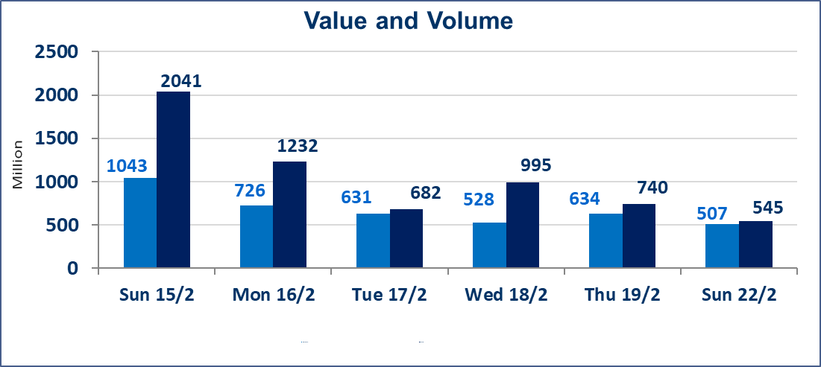
 | ISX Index 60 |  |  | 967.48 | ISX Index 15 |  |  | 1268.31
 | Previous ISX Index60 |  |  | 966.09 | Previous ISX Index15 |  |  | 1268.48
 | Change % |  |  | 0.14 | Change % |  |  | -0.01
 | Change |  |  | 1.39 | Change |  |  | -0.17

 | Listed Companies | 104 | OTC | 14 | Non Traded listed | 43 | OTC | 13
 | Traded Listed Companies | 51 | OTC | 1 | Higher Companies |  |  | 10
 | GAM Companies |  |  | 0 | Lower Companies |  |  | 12
 | Suspended Companies |  |  | 10
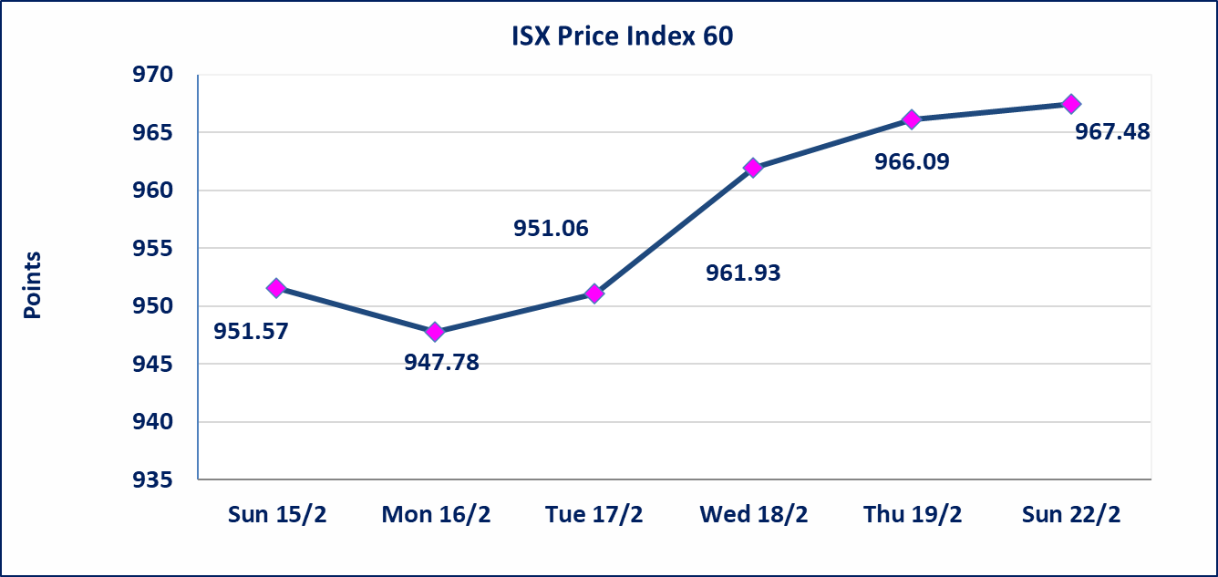
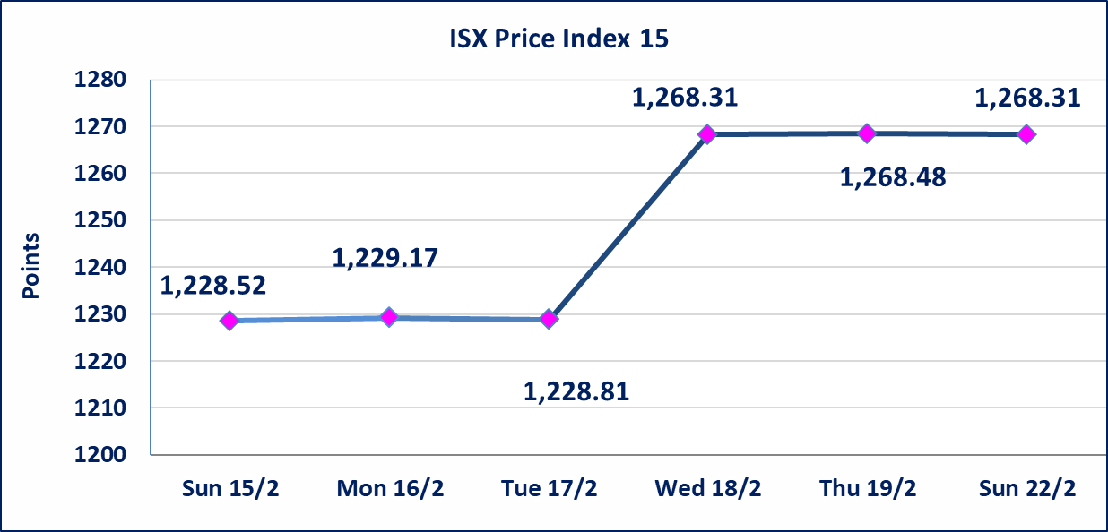

Al-Alwiya P.O . 3607 Mobile: 07711211522 - 07270094594 - 07834000034 E-mail: info-isx@isx-iq.net Web site:www.isx-iq.net

Top 5
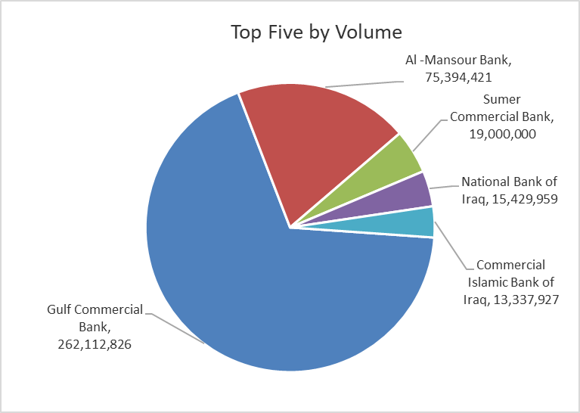
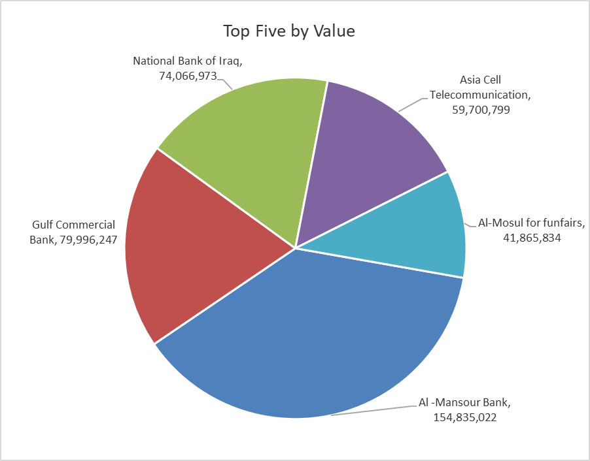

ISX top ganing and losing companies
Sunday 22/2/2026
 | Gainers |  |  |  | Losers
 | Company Name | Closing Price | Change (%) | Traded Volume | Company Name | Closing Price | Change (%) | Traded Volume
 | National Islamic Bank | 0.600 | 11.11 | 5,000 | Baghdad for Packing Materials | 3.000 | -9.09 | 145,162
 | Gulf Commercial Bank | 0.320 | 6.67 | 262,112,826 | AL-Nukhba for Construction | 0.600 | -6.25 | 2,820,886
 | Elaf Islamic Bank | 0.200 | 5.26 | 101,000 | Modern Construction Materials | 1.510 | -4.43 | 727,146
 | AL-Badia for General Trans | 0.890 | 4.71 | 150,000 | Iraqi Carton Manufactories | 1.970 | -3.43 | 286,231
 | General Transportation | 1.590 | 4.61 | 104,819 | Al-Ameen for Insurance | 0.920 | -3.16 | 1,902,644
 | The most active companies in term of traded volume and value

 | Traded Volume |  |  |  | Traded Value
 | Company Name | Closing Price | Change (%) | Traded Volume | Company Name | Closing Price | Change (%) | Traded Value
 | Gulf Commercial Bank | 0.320 | 6.67 | 262,112,826 | Al -Mansour Bank | 2.060 | 0.00 | 154,835,022
 | Al -Mansour Bank | 2.060 | 0.00 | 75,394,421 | Gulf Commercial Bank | 0.320 | 6.67 | 79,996,247
 | Sumer Commercial Bank | 0.130 | 0.00 | 19,000,000 | National Bank of Iraq | 4.800 | 0.00 | 74,066,973
 | National Bank of Iraq | 4.800 | 0.00 | 15,429,959 | Asia Cell Telecommunication | 15.000 | 0.00 | 59,700,799
 | Commercial Islamic Bank of Iraq | 0.670 | -1.47 | 13,337,927 | Al-Mosul for funfairs | 6.990 | 1.30 | 41,865,834

Non Iraqi

Iraq Stock Exchange
Non Iraqis' Bulletin Sunday Feb 22 2026
Regular Market

Non Iraqi Trading of Regular Market (Buy)
Company Names | Code | No.of trades | Traded Shares | Trading Volume
Banks Sector
National Bank Of Iraq | BNOI | 15 | 10,632,341 | 51,035,237
Gulf Commercial Bank | BGUC | 1 | 23,371,860 | 7,011,558
Total Bank sector |  | 16 | 34,004,201 | 58,046,795
Grand Total |  | 16 | 34,004,201 | 58,046,795

Non Iraqi Trading of Regular Market (Sell)
Company Names | Code | No.of trades | Traded Shares | Trading Volume
Services Sector
AL-Nukhba for Construction | SNUC | 6 | 2,520,886 | 1,512,532
Total Services sector |  | 6 | 2,520,886 | 1,512,532
Telecommunication Sector
Asia cell | TASC | 12 | 2,500,000 | 37,500,000
Total Telecommunication sector |  | 12 | 2,500,000 | 37,500,000
Grand Total |  | 18 | 5,020,886 | 39,012,532

Not Trading Bonds

Iraq Stock Exchange
Sunday 22/2/2026
Not Trading Bonds Bulletin
Bond type | Publish type | Code | last trading price | immortilize date
Banaa Bonds /Million ID | Second | CB20 | 964,981 | 19/12/2025
Eamar Bonds /Million ID | First | CB30 | 1,001,095 | ــــــــــــــــ
Eamar Bonds /Million ID | Second | CB40 | ــــــــــــــــ | ــــــــــــــــ
Eamar Bonds /500 Thousand ID | Third | CB45 | ــــــــــــــــ | ــــــــــــــــ
Eamar Bonds /Million ID | Third | CB50 | ــــــــــــــــ | ــــــــــــــــ
Injaz Bonds /500 Thousand ID | First | CB55 | ــــــــــــــــ | ــــــــــــــــ
Injaz Bonds /Million ID | First | CB60 | ــــــــــــــــ | ــــــــــــــــ
Injaz Bonds /500 Thousand ID | Second | CB65 | 502,671 | ــــــــــــــــ
Injaz Bonds /Million ID | Second | CB70 | 1,026,082 | ــــــــــــــــ
Injaz Bonds /500 Thousand ID | Third | CB75 | ــــــــــــــــ | ــــــــــــــــ
Injaz Bonds /Million ID | Third | CB80 | 978,182 | ــــــــــــــــ
National Bonds/Million ID | First | CB90 | ــــــــــــــــ | ــــــــــــــــ
National Bonds/500 Thousand ID | Second | CB95 | ــــــــــــــــ | ــــــــــــــــ
National Bonds/Million ID | Second | CB100 | ــــــــــــــــ | ــــــــــــــــ

